Application Screen
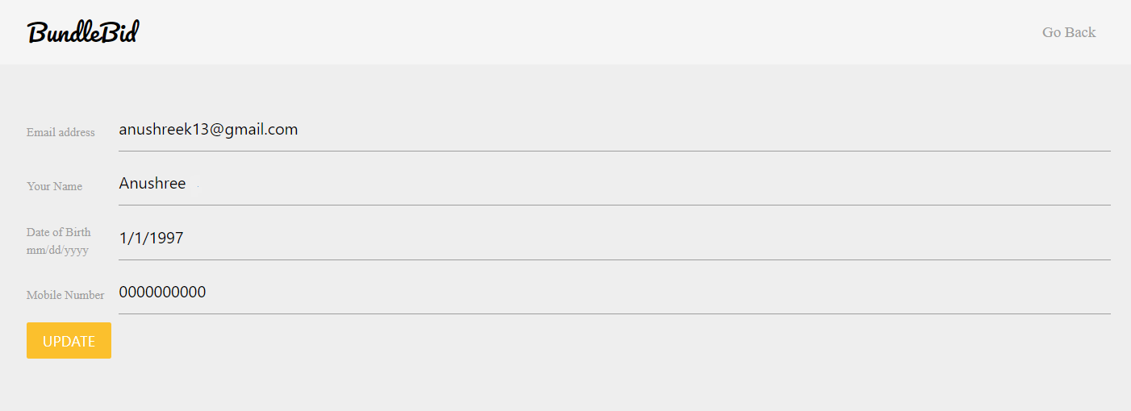
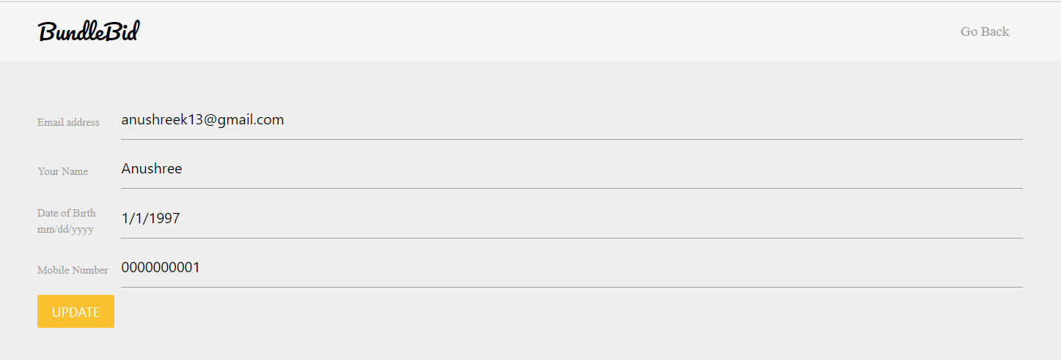
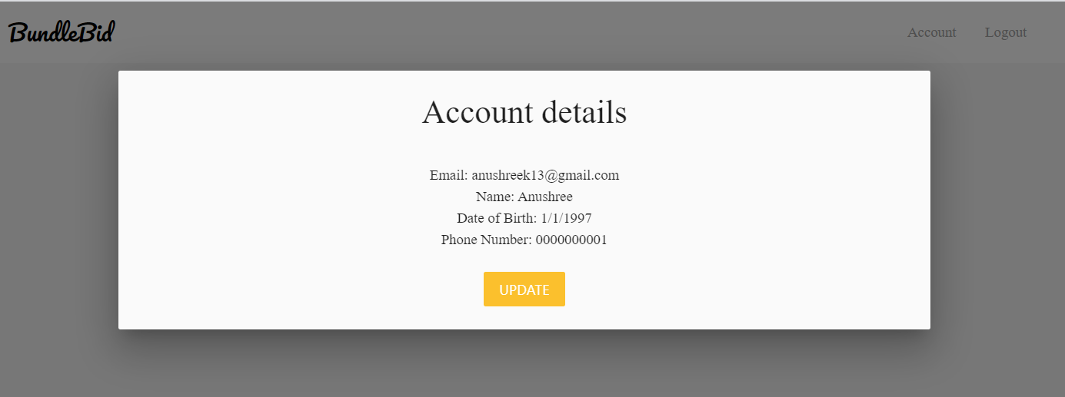

Test Case 2
TC Title: | TC2. Update Account - Data Flow In + Core Feature Functionality
DFD - Update Account
TC Objective: | To test if the data updated by an user reflects peoperly at homepage.

User Details
USER
02.01 Register
Account
Store details
D
User
TC Description
 | Step | Step Description | Expected Results
 | 1 | On the Homepage click on the "Account" button | User should be able to view all the details along with "Update" button.
User's updated Details
 | 2 | Click on the "Update" button | User should be redirected to the update account webpage.
 | 3 | Enter updated contact number in "Mobile Number" field. | User must be able to enter valid contact number consisting of only numeric characters.
02.02 Update
Account
User's data get updated
 | 4 | Click on the "Update" button. | User must be able to view the updated contact number.
D
User
 | 5 | Click on "Go Back" button. | User must be redirected to the Homepage of website.
 | 6 | Click on the "Account" button. | User must be able to view updated contact number.

Display User details in
“Account” field

03.01 Browse to
Homepage

